Sheet2
Confusion Matrix : | Accuracy : 0.9120498119897631
[[ 5192 10024] | Precision: 0.924299
[ 2279 122391]] | Recall: 0.981720

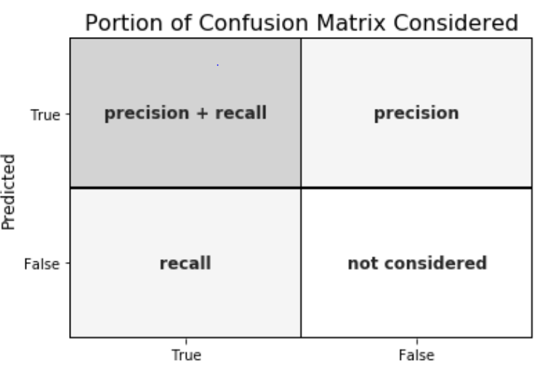
 |  |  |  | Actual |  |  |  | Actual
 |  |  |  | 0 | 1 |  |  | 0 | 1
 |  | Predicted | 0 | TN | FN | Predicted | 0 | 5192 | 10024
 |  |  | 1 | FP | TP |  | 1 | 2279 | 122391

 |  | Precision=
 |  | 0.92429860665 |  |  |  | Recall= |  | 0.98171974011
 |  |  |  |  | 124670 | When it’s actually yes, how often does it predict yes
 |  |  |  |  | 15216

 |  |  |  | Predicted |  |  |  | Predicted
 |  |  |  | 0 | 1 |  |  | 0 | 1
 |  | Actual | 0 | TN | FP | Actual | 0 | 5192 | 10024
 |  |  | 1 | FN | TP |  | 1 | 2279 | 122391

 |  | Recall= | 0.90865962849

